Filter by Color
SOLUTION - Filter by Color

 | 1. Select the top row of the table and create a filter (Open the Data tab and click on the icon shown below).

 | 2. Filter for cells colored in green. Expand the filter and filter by color. Select green and press Ok.

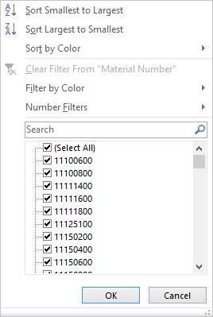

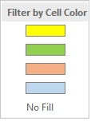

 | Material Number | Material Description | Period | Brand | Volume | Gross Sales | Discounts | Net Sales | Cogs | Distribution | Warehousing
 | 11660100 | Crocky 330ML 1X | 201601 | Crocky | 101 | 66.3 | -1.3 | 64.9 | -29.8682048 | -1.49341024 | -0.597364096
 | 11100120 | Crocky 500ML 12X | 201601 | Crocky | 117 | 76.8 | -1.5 | 75.2 | -34.5998016 | -1.72999008 | -0.691996032
 | 11125200 | Crocky 1.25L 20X | 201601 | Crocky | 8 | 6.4 | -0.1 | 6.3 | -2.88512 | -0.144256 | -0.0577024
 | 11300600 | Crocky 1.5L 6X | 201601 | Crocky | 117 | 76.8 | -1.5 | 75.2 | -34.5998016 | -1.72999008 | -0.691996032
 | 12150400 | Dundy Diet 750ML 4X | 201601 | Dundy Diet | 1632 | 1739.7 | -34.8 | 1704.9 | -997.3768896 | -49.86884448 | -19.947537792
 | 12150600 | Dundy Diet 750ML 6X | 201601 | Dundy Diet | 3863 | 4118.0 | -82.4 | 4035.6 | -2360.8253214 | -118.04126607 | -47.216506428
 | 13150400 | Dundy Max 750ML 4X | 201601 | Dundy Max | 2068 | 1865.3 | -37.3 | 1828.0 | -878.7336749 | -43.936683745 | -17.574673498

